1. Title Page
Grocery Basket Analysis

Project Name: Grocery Basket Analysis
Date: 11/03/2025
Analyst Name: Alejandra Castro

Contents:
Population Flow
Consistency checks
Wrangling steps
Column derivations
Visualizations
Recommendations

Data set citation
“The Instacart Online Grocery Shopping Dataset 2017”, Accessed from www.instacart.com/datasets/grocery-shopping-2017 via Kaggle on [11/03/2025].

About data privacy
The customer data set used for this analysis was fabricated, therefore all names and personal information subject to GDPR regulation is not subject to it as such.
However, during the wrangling steps personal information such as names and addresses were dropped from the dataset as they were not necessary for the analysis.

2. Population Flow
Title page

Population flow

Exclusion flag
Condition: max_order <
Obervations to be removed:
Final total count of order_products_all:

Orders_products_combined
Orders_products_merged
Orders_products_all

Total: 32404859
Total: 32434489
Total: 32404859

1.) The grey boxes in the first row of the population flow represent the original data sets as they were when you downloaded them. In the Total fields you need to add the count of the rows when you imported the data set into Jupyter.
2.) The second row of boxes (coloured) represents the data sets after you manipulated them, e.g., removed missing values and duplicates. In the Total fields you need to add the count of the rows after conducting these operations. This offers a visual oveview of how the data flows throughout the data consistency checks.
3.) The third row, where also the arrows are coloured, represents the merges you performed between the datasets. In the Total fields you need to add the count of the rows in the merged datasets, so that you end up with the final dataset (in the red box). Keep in mind the final dataset should be without exclusions (based on the exclusion flag).

3. Consistency checks
 |  |  |  |  |  |  | Title page
Consistency checks

Dataset | Missing values | Missing values treatment | Duplicates
orders | 206209 in column 'days_since_prior_order' | Converted to zero: They were NaN in 'days_since_prior_order'. It was assumed they were missing because they were a first order. | no duplicates
products | No missing values | n/a | 16 full duplicates dropped
orders_products_prior | 2078068 in column 'days_since_prior_order' | Converted to zero: They were NaN in 'days_since_prior_order'. It was assumed they were missing because they were a first order. | no duplicates
customers | No missing values | n/a | no duplicates

Crosstabs check for the NaN in days since prior order:

days_since_prior_order_clean | 1 | 2 | 3 | 4 | 5 | 6 | 7 | 8 | 9 | 10 | 11 | 12 | 13 | 14 | 15 | 16 | 17 | 18 | 19 | 20 | 21 | 22 | 23 | 24 | 25 | 26 | 27 | 28 | 29 | 30 | 31 | 32 | 33 | 34 | 35 | 36 | 37 | 38 | 39 | 40 | 41 | 42 | 43 | 44 | 45 | 46 | 47 | 48 | 49 | 50 | 51 | 52 | 53 | 54 | 55 | 56 | 57 | 58 | 59 | 60 | 61 | 62 | 63 | 64 | 65 | 66 | 67 | 68 | 69 | 70 | 71 | 72 | 73 | 74 | 75 | 76 | 77 | 78 | 79 | 80 | 81 | 82 | 83 | 84 | 85 | 86 | 87 | 88 | 89 | 90 | 91 | 92 | 93 | 94 | 95 | 96 | 97 | 98 | 99
0.0 | 1502870 | 14952 | 15138 | 14414 | 14674 | 16046 | 14384 | 13890 | 12774 | 11460 | 11784 | 9828 | 9438 | 8960 | 8435 | 8130 | 7848 | 7749 | 7038 | 6902 | 7084 | 6424 | 6170 | 6103 | 6032 | 5541 | 6049 | 5569 | 5201 | 5685 | 4811 | 5133 | 4630 | 4535 | 4552 | 4384 | 4314 | 4093 | 3864 | 4029 | 4056 | 3825 | 3677 | 3670 | 3226 | 3519 | 3326 | 2720 | 3164 | 2634 | 2482 | 2928 | 2624 | 2522 | 2379 | 2483 | 2375 | 2221 | 2354 | 2196 | 2069 | 2247 | 1856 | 2031 | 1585 | 2127 | 1939 | 1871 | 1560 | 1672 | 1700 | 1573 | 1731 | 1555 | 1341 | 1537 | 1526 | 1422 | 1369 | 1184 | 1306 | 1196 | 1150 | 1490 | 1343 | 1358 | 1139 | 1177 | 1177 | 1195 | 1148 | 1040 | 937 | 1134 | 1099 | 1041 | 883 | 1037 | 935
1.0 | 0 | 26281 | 24703 | 24609 | 25559 | 25533 | 24996 | 22921 | 21783 | 21067 | 21260 | 19516 | 19108 | 18279 | 18544 | 18133 | 16765 | 15977 | 15509 | 15128 | 15183 | 13855 | 13619 | 13230 | 12861 | 13006 | 12938 | 11962 | 12525 | 12084 | 11751 | 11581 | 10867 | 10395 | 9694 | 9688 | 9760 | 9506 | 9562 | 9456 | 8645 | 8873 | 8713 | 8576 | 8441 | 8323 | 8482 | 8199 | 7711 | 7147 | 7715 | 6976 | 6525 | 7033 | 7112 | 6250 | 6438 | 6265 | 5896 | 5851 | 5598 | 5947 | 4935 | 5725 | 4852 | 4950 | 5263 | 4675 | 4568 | 4692 | 4123 | 4405 | 4222 | 4229 | 4013 | 3918 | 4106 | 3996 | 3596 | 4132 | 3518 | 3149 | 3458 | 3289 | 3245 | 3108 | 2970 | 2693 | 3027 | 2787 | 2801 | 2728 | 2605 | 2606 | 2639 | 2436 | 2535 | 2633 | 2363
2.0 | 0 | 38901 | 39530 | 40055 | 38964 | 40907 | 38101 | 37519 | 35745 | 33830 | 33364 | 31473 | 30602 | 30259 | 28626 | 27574 | 26687 | 26236 | 25612 | 23717 | 23529 | 23979 | 23049 | 22337 | 21831 | 21598 | 20651 | 19776 | 18953 | 19240 | 18736 | 18331 | 17108 | 17534 | 16381 | 16021 | 16448 | 16095 | 15569 | 14664 | 14450 | 14344 | 13397 | 12920 | 12940 | 12895 | 12061 | 13443 | 12348 | 11730 | 11714 | 10607 | 10573 | 10813 | 10214 | 9494 | 9709 | 9349 | 8823 | 8733 | 8963 | 8179 | 8185 | 7712 | 7416 | 7756 | 7338 | 7041 | 7148 | 6623 | 6737 | 6386 | 6289 | 5951 | 5709 | 5629 | 5221 | 5058 | 5071 | 4704 | 4924 | 4388 | 4801 | 4658 | 3946 | 3937 | 4074 | 4204 | 3474 | 3623 | 3555 | 3314 | 3589 | 3319 | 3072 | 2985 | 3057 | 3091 | 2609
3.0 | 0 | 51830 | 53927 | 54040 | 55264 | 56183 | 52869 | 49291 | 48295 | 47826 | 45028 | 42994 | 42117 | 40701 | 38433 | 37943 | 35934 | 34663 | 34387 | 32645 | 32395 | 31478 | 30683 | 29434 | 29001 | 28254 | 26465 | 27083 | 25750 | 23421 | 23592 | 24477 | 23818 | 22226 | 21865 | 21329 | 20609 | 20805 | 19501 | 20909 | 18544 | 17952 | 17429 | 16905 | 16367 | 16424 | 15506 | 15539 | 14239 | 14977 | 13646 | 13555 | 12915 | 12216 | 11583 | 11839 | 11204 | 10572 | 10601 | 9899 | 10058 | 9837 | 9019 | 9232 | 8346 | 7929 | 7890 | 7420 | 7948 | 7222 | 6659 | 6834 | 6267 | 6273 | 6433 | 6070 | 5437 | 5168 | 5425 | 4885 | 5008 | 4557 | 4436 | 3799 | 4246 | 4005 | 3915 | 3359 | 3573 | 3318 | 3237 | 2799 | 3073 | 2902 | 2635 | 2658 | 2462 | 2168 | 2467
4.0 | 0 | 63800 | 66788 | 66179 | 67228 | 66569 | 62399 | 61143 | 59499 | 57700 | 54730 | 51935 | 48774 | 46896 | 45838 | 44241 | 42119 | 41276 | 39404 | 37328 | 36517 | 36475 | 35903 | 33132 | 34157 | 31341 | 31036 | 30094 | 28532 | 27017 | 26954 | 26013 | 24438 | 24654 | 23964 | 23047 | 22939 | 21584 | 20794 | 19015 | 19390 | 19327 | 18766 | 18719 | 18091 | 16584 | 16188 | 15564 | 15003 | 14202 | 13801 | 13032 | 12912 | 12019 | 11650 | 11928 | 11599 | 10291 | 9864 | 9640 | 9029 | 8717 | 8571 | 7755 | 8195 | 7316 | 6613 | 6331 | 6114 | 6468 | 6385 | 5590 | 5320 | 4985 | 5209 | 4348 | 4795 | 4442 | 4184 | 4229 | 3868 | 3985 | 3444 | 3224 | 2843 | 2862 | 2584 | 2711 | 2630 | 2342 | 2260 | 2490 | 2031 | 1800 | 2083 | 1918 | 1792 | 1695 | 1810
5.0 | 0 | 73154 | 76487 | 76759 | 78092 | 77583 | 73584 | 70020 | 64468 | 63154 | 59454 | 55546 | 53534 | 52955 | 49271 | 46960 | 47010 | 44879 | 42069 | 40778 | 40189 | 37707 | 35499 | 36144 | 34793 | 32270 | 31855 | 29641 | 29403 | 29377 | 27823 | 26071 | 25951 | 24194 | 23069 | 22117 | 21232 | 20018 | 19594 | 20514 | 18734 | 17596 | 16948 | 15597 | 15486 | 14351 | 14082 | 13320 | 13483 | 11456 | 12043 | 11739 | 10810 | 10348 | 10181 | 9077 | 8716 | 8578 | 7678 | 7878 | 6733 | 6396 | 6566 | 5757 | 5378 | 5299 | 4611 | 5508 | 5065 | 4396 | 4117 | 4276 | 3544 | 3440 | 3246 | 3197 | 2487 | 2725 | 2746 | 2816 | 2289 | 2303 | 2138 | 2099 | 2372 | 2002 | 1946 | 1566 | 1462 | 1630 | 1630 | 1367 | 983 | 1215 | 1220 | 1166 | 966 | 912 | 936
6.0 | 0 | 97431 | 101277 | 101046 | 101086 | 100756 | 95954 | 89752 | 87203 | 78634 | 78896 | 74719 | 68650 | 65130 | 62374 | 58794 | 56469 | 54791 | 53258 | 51292 | 49395 | 46209 | 44182 | 41002 | 38586 | 38714 | 36434 | 35073 | 33674 | 32644 | 30845 | 29967 | 28473 | 28306 | 26601 | 26518 | 24094 | 22753 | 22728 | 20868 | 19362 | 18786 | 17762 | 17389 | 16746 | 15137 | 13992 | 12418 | 12933 | 11604 | 11087 | 9631 | 9277 | 8368 | 8686 | 7298 | 7078 | 6703 | 6146 | 6114 | 5515 | 4911 | 5011 | 4549 | 4643 | 3848 | 3975 | 3536 | 3445 | 2902 | 2886 | 2251 | 2779 | 2594 | 2230 | 1949 | 1930 | 1891 | 1738 | 1531 | 1693 | 1448 | 1391 | 1340 | 1216 | 995 | 960 | 1063 | 989 | 754 | 842 | 940 | 1014 | 835 | 570 | 490 | 602 | 485 | 542
7.0 | 0 | 149418 | 147502 | 147947 | 148535 | 143628 | 137675 | 128423 | 120734 | 114769 | 106392 | 103116 | 100542 | 93723 | 89445 | 86204 | 81249 | 78056 | 73126 | 71052 | 68563 | 64149 | 62517 | 58574 | 56692 | 53871 | 50909 | 48710 | 47628 | 44825 | 42455 | 41609 | 38258 | 35791 | 34191 | 33235 | 32298 | 30421 | 28159 | 27660 | 27208 | 25988 | 23792 | 21938 | 20517 | 19873 | 17770 | 17174 | 15137 | 14707 | 12832 | 12948 | 10361 | 9594 | 8579 | 7316 | 7017 | 6385 | 6247 | 5733 | 5190 | 4902 | 3872 | 3571 | 3462 | 3587 | 3410 | 2562 | 2245 | 2471 | 2108 | 2394 | 2044 | 1907 | 1678 | 1629 | 1784 | 1438 | 1324 | 1086 | 958 | 969 | 920 | 858 | 956 | 710 | 763 | 714 | 694 | 634 | 573 | 521 | 440 | 602 | 421 | 420 | 378 | 419 | 322
8.0 | 0 | 89781 | 88752 | 89231 | 88599 | 87611 | 81622 | 78760 | 71070 | 67567 | 64889 | 60068 | 57373 | 53559 | 50904 | 47433 | 44192 | 43274 | 40812 | 38660 | 35895 | 35093 | 31992 | 30974 | 30050 | 27674 | 25995 | 26308 | 23929 | 22221 | 21980 | 19751 | 19303 | 17557 | 17539 | 16115 | 16128 | 14634 | 14585 | 13279 | 11925 | 11625 | 11090 | 10410 | 9421 | 8519 | 7974 | 7459 | 7216 | 6493 | 5557 | 5042 | 5048 | 4438 | 3768 | 3757 | 3044 | 2926 | 2888 | 2581 | 2522 | 2243 | 1972 | 1852 | 1713 | 1350 | 1338 | 1509 | 1324 | 1428 | 1085 | 1137 | 1165 | 937 | 958 | 759 | 761 | 762 | 731 | 477 | 475 | 322 | 549 | 656 | 262 | 342 | 278 | 416 | 340 | 238 | 262 | 228 | 244 | 275 | 232 | 234 | 143 | 137 | 84
9.0 | 0 | 58112 | 60010 | 58603 | 60661 | 58933 | 54801 | 50593 | 47752 | 43483 | 42175 | 38059 | 36775 | 34974 | 31584 | 30753 | 28868 | 26648 | 25607 | 23312 | 22198 | 20464 | 20556 | 18864 | 17911 | 16488 | 16820 | 15386 | 14568 | 13532 | 12991 | 12418 | 11511 | 10783 | 10639 | 9207 | 8483 | 8096 | 7256 | 7041 | 6455 | 5867 | 5848 | 5450 | 4910 | 4506 | 3902 | 3486 | 3554 | 3272 | 3188 | 2813 | 2287 | 2176 | 2294 | 1978 | 1787 | 1629 | 1637 | 1683 | 1281 | 1045 | 1073 | 1005 | 1005 | 705 | 926 | 932 | 715 | 628 | 454 | 550 | 482 | 613 | 417 | 398 | 317 | 482 | 374 | 241 | 271 | 332 | 347 | 348 | 115 | 209 | 201 | 229 | 266 | 190 | 90 | 98 | 101 | 146 | 91 | 67 | 102 | 66 | 65
10.0 | 0 | 47610 | 49010 | 49191 | 48153 | 49463 | 43706 | 41110 | 38443 | 34916 | 33905 | 32706 | 29763 | 28718 | 25319 | 23601 | 22588 | 20539 | 19364 | 18414 | 17548 | 15869 | 15648 | 14704 | 14095 | 13640 | 12147 | 10827 | 10530 | 10545 | 10006 | 8527 | 8490 | 7972 | 7629 | 6640 | 6158 | 5935 | 5614 | 4596 | 4850 | 4719 | 3768 | 3747 | 3638 | 3395 | 3032 | 2868 | 2346 | 2579 | 2103 | 2125 | 2034 | 1703 | 1579 | 1304 | 1393 | 1226 | 1148 | 901 | 915 | 721 | 893 | 742 | 821 | 570 | 540 | 596 | 431 | 493 | 370 | 443 | 626 | 389 | 579 | 389 | 339 | 239 | 191 | 216 | 143 | 111 | 289 | 203 | 278 | 136 | 223 | 114 | 138 | 60 | 103 | 222 | 78 | 45 | 116 | 4 | 101 | 42 | 59
11.0 | 0 | 42661 | 43002 | 44360 | 41873 | 42542 | 40174 | 36884 | 33404 | 30830 | 29422 | 27423 | 26254 | 23919 | 21639 | 20252 | 20334 | 17858 | 17074 | 15903 | 13577 | 13913 | 12087 | 11981 | 10706 | 11288 | 9861 | 8609 | 7930 | 7036 | 8067 | 6156 | 6559 | 5935 | 5579 | 5379 | 4936 | 4200 | 4048 | 3722 | 3388 | 2982 | 3199 | 2921 | 2710 | 2192 | 2269 | 2042 | 1782 | 1716 | 1637 | 1343 | 1554 | 1354 | 1225 | 1121 | 1020 | 997 | 819 | 735 | 758 | 652 | 688 | 451 | 523 | 383 | 391 | 349 | 273 | 438 | 417 | 344 | 349 | 286 | 256 | 226 | 234 | 139 | 155 | 213 | 139 | 347 | 102 | 97 | 102 | 111 | 68 | 46 | 61 | 57 | 83 | 175 | 55 | 68 | 126 | 63 | 64 | 1 | 19
12.0 | 0 | 41238 | 43154 | 42382 | 40834 | 42591 | 38685 | 35331 | 33477 | 29857 | 26682 | 26520 | 24342 | 21421 | 21437 | 20403 | 18272 | 16061 | 15712 | 14412 | 12982 | 12227 | 11013 | 10950 | 9543 | 8705 | 8608 | 7955 | 7454 | 7137 | 6361 | 5965 | 5373 | 4695 | 5381 | 4624 | 3956 | 4086 | 3542 | 3287 | 3193 | 2808 | 2473 | 1952 | 1858 | 2150 | 1981 | 1567 | 1423 | 1746 | 1208 | 1400 | 1138 | 859 | 670 | 797 | 734 | 702 | 978 | 749 | 394 | 538 | 577 | 459 | 536 | 434 | 283 | 386 | 408 | 264 | 319 | 275 | 341 | 196 | 224 | 190 | 137 | 183 | 170 | 126 | 202 | 63 | 65 | 101 | 187 | 55 | 101 | 53 | 55 | 58 | 54 | 70 | 32 | 50 | 75 | 55 | 52 | 5 | 66
13.0 | 0 | 48255 | 49715 | 48036 | 49409 | 47725 | 44872 | 41268 | 38333 | 34275 | 32540 | 28186 | 26812 | 23669 | 23219 | 20620 | 20562 | 18331 | 16442 | 14425 | 15009 | 12033 | 11747 | 10648 | 10059 | 9569 | 8837 | 7687 | 7736 | 6742 | 5846 | 5659 | 5372 | 5555 | 4727 | 4422 | 3586 | 3598 | 3116 | 2976 | 2921 | 2294 | 2419 | 2244 | 1728 | 1877 | 1674 | 1208 | 1197 | 1105 | 1131 | 847 | 988 | 740 | 684 | 800 | 417 | 480 | 399 | 307 | 557 | 347 | 398 | 390 | 252 | 297 | 355 | 456 | 317 | 228 | 175 | 154 | 116 | 73 | 71 | 230 | 56 | 202 | 214 | 65 | 80 | 123 | 59 | 75 | 53 | 94 | 63 | 56 | 82 | 69 | 93 | 93 | 80 | 85 | 24 | 27 | 61 | 83 | 68
14.0 | 0 | 60476 | 58581 | 60764 | 61357 | 60476 | 54863 | 49237 | 46265 | 42381 | 38402 | 34335 | 32063 | 30164 | 26894 | 25911 | 24366 | 22016 | 19793 | 18077 | 15054 | 15287 | 14637 | 13303 | 11500 | 10719 | 10466 | 9480 | 7996 | 8325 | 7978 | 6654 | 6229 | 5301 | 4439 | 4868 | 4250 | 3624 | 3925 | 2820 | 2851 | 2258 | 2711 | 2692 | 1951 | 2073 | 1834 | 1640 | 1388 | 1241 | 964 | 633 | 1051 | 627 | 669 | 906 | 582 | 808 | 645 | 455 | 476 | 274 | 437 | 423 | 214 | 168 | 392 | 340 | 257 | 243 | 205 | 277 | 160 | 150 | 103 | 84 | 110 | 124 | 94 | 32 | 91 | 28 | 137 | 45 | 77 | 46 | 41 | 39 | 57 | 38 | 8 | 13 | 96 | 55 | 41 | 32 | 54 | 33 | 5
15.0 | 0 | 39926 | 39336 | 40858 | 40153 | 39497 | 35548 | 33879 | 29615 | 27757 | 25061 | 24441 | 20663 | 19269 | 17666 | 16195 | 15608 | 13384 | 12534 | 11839 | 10060 | 10403 | 8338 | 7646 | 8086 | 6473 | 6324 | 6086 | 5434 | 5211 | 4247 | 4193 | 3806 | 3391 | 2952 | 2868 | 2706 | 2828 | 2264 | 2339 | 1636 | 1833 | 1692 | 1609 | 1141 | 991 | 936 | 1055 | 653 | 993 | 541 | 558 | 448 | 724 | 661 | 478 | 295 | 341 | 357 | 243 | 155 | 229 | 273 | 175 | 121 | 263 | 158 | 164 | 102 | 129 | 160 | 71 | 137 | 55 | 107 | 106 | 24 | 100 | 78 | 35 | 22 | 66 | 113 | 91 | 56 | 34 | 66 | 9 | 16 | 44 | 14 | 31 | 25 | 6 | 23 | 20 | 17 | 7 | 17
16.0 | 0 | 28246 | 27962 | 28040 | 27577 | 28286 | 25429 | 22407 | 22373 | 20587 | 17432 | 15607 | 14352 | 13293 | 11936 | 10824 | 9592 | 9666 | 8459 | 7670 | 6717 | 6477 | 5717 | 5714 | 4964 | 4077 | 3811 | 3762 | 3307 | 2613 | 2529 | 3002 | 2341 | 2280 | 1999 | 2040 | 1610 | 1450 | 1400 | 1332 | 974 | 950 | 827 | 717 | 843 | 614 | 745 | 866 | 497 | 574 | 497 | 366 | 389 | 299 | 526 | 260 | 219 | 251 | 184 | 153 | 70 | 74 | 119 | 112 | 190 | 85 | 100 | 85 | 71 | 75 | 115 | 104 | 76 | 64 | 49 | 30 | 48 | 27 | 54 | 19 | 51 | 41 | 51 | 10 | 29 | 31 | 41 | 7 | 8 | 65 | 20 | 7 | 0 | 12 | 0 | 39 | 50 | 17 | 10
17.0 | 0 | 22865 | 23979 | 23644 | 23605 | 23860 | 20629 | 18592 | 17567 | 16012 | 14276 | 12805 | 12054 | 11604 | 10133 | 9139 | 7982 | 7794 | 7889 | 6215 | 5686 | 5401 | 5216 | 4849 | 3598 | 3633 | 3198 | 2932 | 2766 | 2164 | 2060 | 1918 | 2010 | 1736 | 1713 | 1406 | 1250 | 860 | 1033 | 865 | 969 | 894 | 710 | 673 | 536 | 635 | 540 | 398 | 463 | 314 | 361 | 401 | 353 | 127 | 388 | 236 | 206 | 284 | 135 | 86 | 132 | 118 | 155 | 186 | 91 | 56 | 37 | 76 | 49 | 23 | 44 | 65 | 44 | 34 | 73 | 18 | 21 | 45 | 27 | 16 | 28 | 91 | 10 | 8 | 46 | 15 | 37 | 16 | 1 | 14 | 0 | 32 | 0 | 16 | 7 | 4 | 23 | 0 | 5
18.0 | 0 | 23531 | 22258 | 21998 | 22261 | 21999 | 19165 | 17597 | 16762 | 15066 | 13316 | 12352 | 11341 | 9946 | 9042 | 8150 | 7173 | 6812 | 6676 | 5862 | 5099 | 4482 | 3583 | 3463 | 3459 | 3366 | 2780 | 2747 | 2179 | 2167 | 1806 | 1962 | 1530 | 1182 | 1515 | 1330 | 1045 | 955 | 1007 | 736 | 847 | 709 | 648 | 681 | 377 | 512 | 448 | 347 | 479 | 277 | 285 | 316 | 170 | 219 | 228 | 123 | 75 | 100 | 170 | 247 | 134 | 140 | 82 | 122 | 43 | 116 | 33 | 182 | 41 | 70 | 44 | 5 | 39 | 0 | 17 | 9 | 31 | 4 | 75 | 3 | 30 | 7 | 4 | 5 | 32 | 0 | 19 | 0 | 16 | 0 | 1 | 13 | 0 | 20 | 0 | 51 | 0 | 0 | 26
19.0 | 0 | 20867 | 22263 | 21340 | 21253 | 21441 | 19910 | 17867 | 15702 | 14316 | 12668 | 11411 | 10584 | 9073 | 8335 | 7743 | 6936 | 6291 | 6173 | 4884 | 4701 | 4669 | 4084 | 3240 | 3201 | 2651 | 2030 | 2667 | 2480 | 1534 | 1865 | 1574 | 1337 | 1549 | 1102 | 1090 | 830 | 820 | 631 | 574 | 561 | 692 | 718 | 496 | 372 | 211 | 434 | 385 | 288 | 328 | 447 | 269 | 147 | 163 | 106 | 170 | 72 | 120 | 144 | 117 | 128 | 15 | 56 | 70 | 37 | 79 | 15 | 87 | 30 | 28 | 37 | 57 | 26 | 38 | 17 | 41 | 29 | 62 | 26 | 31 | 16 | 0 | 29 | 0 | 60 | 4 | 12 | 1 | 0 | 0 | 6 | 0 | 0 | 0 | 0 | 21 | 14 | 0 | 0
20.0 | 0 | 25470 | 24217 | 25415 | 25590 | 25526 | 23119 | 19785 | 17132 | 16038 | 13598 | 13388 | 11947 | 10520 | 9639 | 8228 | 7692 | 6706 | 6526 | 5793 | 5526 | 4690 | 4170 | 3582 | 3290 | 3019 | 2897 | 2185 | 1950 | 2255 | 1670 | 1592 | 1357 | 1674 | 1255 | 1169 | 969 | 702 | 1008 | 671 | 640 | 520 | 509 | 423 | 497 | 340 | 479 | 369 | 220 | 399 | 192 | 243 | 149 | 128 | 171 | 146 | 109 | 137 | 95 | 138 | 58 | 100 | 33 | 87 | 83 | 123 | 62 | 51 | 35 | 24 | 0 | 75 | 26 | 19 | 59 | 52 | 47 | 15 | 29 | 40 | 35 | 36 | 81 | 8 | 19 | 24 | 2 | 30 | 2 | 31 | 41 | 7 | 0 | 9 | 0 | 0 | 0 | 0 | 0
21.0 | 0 | 31005 | 30942 | 29383 | 28651 | 31429 | 26005 | 23502 | 20599 | 19549 | 16181 | 15146 | 13353 | 12165 | 10983 | 9804 | 8601 | 8148 | 6913 | 6130 | 5927 | 4786 | 4268 | 4144 | 3866 | 3530 | 3100 | 2424 | 2532 | 2545 | 2041 | 1605 | 1715 | 1658 | 1332 | 1147 | 1106 | 928 | 889 | 761 | 702 | 583 | 431 | 409 | 486 | 394 | 390 | 300 | 402 | 321 | 218 | 102 | 238 | 154 | 172 | 189 | 121 | 150 | 56 | 80 | 90 | 96 | 51 | 76 | 42 | 97 | 27 | 69 | 27 | 41 | 13 | 43 | 57 | 24 | 59 | 30 | 6 | 16 | 1 | 22 | 11 | 0 | 10 | 2 | 0 | 29 | 0 | 30 | 8 | 19 | 0 | 32 | 12 | 0 | 19 | 0 | 0 | 12 | 0
22.0 | 0 | 20708 | 20426 | 21391 | 20515 | 20486 | 18492 | 16947 | 15403 | 13864 | 11554 | 10671 | 9305 | 8216 | 8127 | 6580 | 6234 | 5182 | 4549 | 4677 | 3839 | 3146 | 3236 | 3001 | 2495 | 2454 | 1872 | 1824 | 1380 | 1433 | 1564 | 1477 | 979 | 950 | 987 | 804 | 785 | 701 | 487 | 424 | 543 | 394 | 345 | 421 | 413 | 276 | 374 | 347 | 198 | 137 | 196 | 280 | 130 | 119 | 141 | 128 | 33 | 96 | 61 | 70 | 34 | 2 | 75 | 7 | 26 | 28 | 34 | 0 | 56 | 41 | 12 | 22 | 26 | 10 | 12 | 57 | 0 | 16 | 19 | 2 | 0 | 0 | 0 | 14 | 0 | 0 | 0 | 17 | 0 | 0 | 9 | 0 | 0 | 0 | 0 | 0 | 0 | 0 | 0
23.0 | 0 | 15590 | 16741 | 15339 | 14981 | 15570 | 13896 | 11557 | 11146 | 8681 | 8556 | 7648 | 7303 | 6119 | 5458 | 4291 | 4270 | 3879 | 3137 | 3083 | 2834 | 2676 | 2029 | 2081 | 1652 | 1636 | 1295 | 1259 | 1037 | 1104 | 1082 | 987 | 960 | 468 | 519 | 654 | 448 | 461 | 407 | 426 | 256 | 302 | 265 | 157 | 285 | 177 | 169 | 149 | 104 | 159 | 117 | 178 | 56 | 77 | 92 | 118 | 35 | 82 | 29 | 7 | 53 | 63 | 22 | 16 | 19 | 0 | 21 | 6 | 52 | 18 | 9 | 0 | 10 | 52 | 30 | 40 | 0 | 10 | 3 | 10 | 0 | 0 | 8 | 18 | 0 | 0 | 0 | 0 | 0 | 13 | 0 | 0 | 0 | 0 | 9 | 0 | 0 | 0 | 0
24.0 | 0 | 13241 | 13551 | 13262 | 14078 | 13536 | 12404 | 10803 | 9504 | 8252 | 7621 | 6317 | 5887 | 5426 | 4422 | 3774 | 3489 | 3504 | 2731 | 2298 | 2407 | 1921 | 1854 | 1960 | 1176 | 1362 | 1501 | 681 | 1007 | 665 | 646 | 641 | 546 | 508 | 611 | 571 | 457 | 478 | 250 | 281 | 321 | 214 | 118 | 194 | 186 | 156 | 170 | 136 | 79 | 59 | 88 | 36 | 94 | 72 | 27 | 96 | 18 | 108 | 12 | 51 | 34 | 11 | 24 | 29 | 66 | 23 | 0 | 4 | 18 | 22 | 12 | 0 | 16 | 13 | 13 | 0 | 17 | 9 | 19 | 0 | 0 | 2 | 0 | 0 | 0 | 17 | 9 | 0 | 0 | 0 | 0 | 0 | 0 | 0 | 0 | 0 | 0 | 0 | 0
25.0 | 0 | 12799 | 13119 | 12544 | 12570 | 12605 | 10713 | 9214 | 8535 | 7797 | 6475 | 6109 | 5831 | 4802 | 4514 | 4009 | 3358 | 2919 | 2747 | 2286 | 2090 | 2071 | 1554 | 1299 | 1409 | 1081 | 1116 | 1259 | 749 | 950 | 710 | 557 | 545 | 487 | 381 | 294 | 259 | 227 | 388 | 169 | 183 | 111 | 218 | 216 | 179 | 78 | 26 | 87 | 77 | 153 | 99 | 27 | 186 | 4 | 73 | 62 | 17 | 39 | 51 | 5 | 6 | 46 | 49 | 39 | 44 | 5 | 26 | 26 | 0 | 10 | 43 | 0 | 0 | 0 | 13 | 0 | 3 | 15 | 0 | 0 | 30 | 0 | 32 | 16 | 0 | 0 | 0 | 0 | 0 | 0 | 0 | 0 | 0 | 0 | 0 | 0 | 0 | 0 | 0
26.0 | 0 | 12594 | 12750 | 12567 | 12960 | 12991 | 11803 | 9902 | 8717 | 7911 | 6910 | 5880 | 4830 | 4669 | 3840 | 4174 | 3177 | 2905 | 2618 | 2181 | 1966 | 1606 | 1667 | 1056 | 997 | 1082 | 884 | 715 | 757 | 553 | 666 | 412 | 399 | 357 | 230 | 339 | 279 | 175 | 252 | 296 | 146 | 117 | 219 | 86 | 92 | 53 | 130 | 43 | 90 | 24 | 36 | 81 | 13 | 78 | 9 | 35 | 5 | 48 | 19 | 85 | 29 | 0 | 28 | 2 | 0 | 42 | 9 | 2 | 0 | 0 | 6 | 7 | 16 | 13 | 0 | 36 | 0 | 0 | 0 | 0 | 4 | 4 | 0 | 0 | 16 | 8 | 0 | 37 | 0 | 0 | 0 | 0 | 0 | 0 | 9 | 0 | 0 | 0 | 0
27.0 | 0 | 14272 | 15074 | 15113 | 16155 | 14454 | 12479 | 11797 | 10209 | 8594 | 7344 | 6181 | 6244 | 5267 | 4702 | 4019 | 3448 | 3108 | 2756 | 2394 | 1970 | 1734 | 1726 | 1733 | 1064 | 1132 | 1081 | 936 | 624 | 667 | 595 | 406 | 479 | 456 | 460 | 286 | 338 | 411 | 273 | 243 | 170 | 177 | 227 | 89 | 114 | 92 | 164 | 85 | 69 | 19 | 71 | 55 | 90 | 84 | 10 | 21 | 42 | 54 | 12 | 32 | 7 | 39 | 19 | 2 | 7 | 5 | 68 | 22 | 0 | 5 | 0 | 4 | 0 | 9 | 0 | 9 | 15 | 0 | 19 | 0 | 4 | 2 | 0 | 14 | 0 | 10 | 7 | 13 | 0 | 12 | 0 | 0 | 0 | 0 | 0 | 0 | 0 | 0 | 0
28.0 | 0 | 19051 | 18811 | 19303 | 18279 | 18116 | 16532 | 14232 | 12702 | 10896 | 8778 | 8501 | 7205 | 6831 | 4939 | 4814 | 4373 | 3694 | 3127 | 3326 | 2696 | 1682 | 1953 | 1791 | 1206 | 1377 | 1354 | 936 | 953 | 858 | 973 | 645 | 625 | 519 | 281 | 490 | 517 | 412 | 345 | 209 | 117 | 248 | 146 | 180 | 158 | 213 | 108 | 110 | 102 | 50 | 86 | 104 | 58 | 97 | 91 | 66 | 65 | 35 | 57 | 13 | 28 | 21 | 23 | 2 | 56 | 32 | 8 | 0 | 27 | 0 | 0 | 23 | 1 | 0 | 0 | 9 | 16 | 0 | 0 | 3 | 0 | 0 | 3 | 0 | 0 | 11 | 12 | 0 | 0 | 0 | 0 | 0 | 0 | 0 | 0 | 6 | 0 | 0 | 0
29.0 | 0 | 13226 | 13262 | 13140 | 12657 | 13290 | 11258 | 10092 | 8856 | 7650 | 6352 | 5118 | 5280 | 4941 | 3943 | 3556 | 2777 | 2685 | 2156 | 1859 | 1459 | 1740 | 1177 | 1266 | 1006 | 904 | 800 | 713 | 438 | 483 | 539 | 392 | 270 | 466 | 267 | 219 | 189 | 164 | 168 | 220 | 114 | 196 | 155 | 46 | 74 | 49 | 71 | 51 | 53 | 32 | 31 | 39 | 68 | 49 | 14 | 6 | 1 | 6 | 21 | 5 | 0 | 17 | 0 | 0 | 0 | 0 | 10 | 9 | 10 | 48 | 0 | 0 | 7 | 0 | 6 | 0 | 13 | 0 | 0 | 0 | 0 | 0 | 0 | 13 | 5 | 0 | 0 | 0 | 0 | 0 | 4 | 0 | 0 | 0 | 0 | 0 | 0 | 0 | 0
30.0 | 0 | 257119 | 241097 | 236440 | 233838 | 241262 | 196568 | 163732 | 135424 | 113059 | 94737 | 78815 | 66634 | 55706 | 46936 | 39673 | 33559 | 28820 | 25009 | 22018 | 18240 | 16090 | 14066 | 11276 | 10298 | 9025 | 7395 | 7262 | 6002 | 5174 | 4447 | 3796 | 3650 | 3221 | 2628 | 2216 | 1983 | 1842 | 1681 | 1168 | 1071 | 962 | 1097 | 830 | 1001 | 1025 | 672 | 588 | 454 | 376 | 349 | 438 | 309 | 215 | 221 | 177 | 140 | 211 | 102 | 174 | 117 | 147 | 108 | 197 | 58 | 101 | 79 | 87 | 77 | 37 | 76 | 82 | 51 | 45 | 2 | 70 | 55 | 56 | 19 | 49 | 44 | 37 | 35 | 0 | 0 | 4 | 12 | 15 | 0 | 6 | 11 | 3 | 0 | 0 | 5 | 0 | 0 | 8 | 13

4. Wrangling steps
 |  |  |  | Title page
Wrangling steps

Columns dropped | Columns renamed | Columns' type changed | Comment/Reason
eval_set |  |  | not necessary
days_since_prior_order' |  |  | dirty column
days_prior_order_NaN |  |  | flag column no longer necessary
add_to_cart_order |  |  | not necessary
reordered |  |  | not necessary
aisle_id |  |  | not necessary
First Name |  |  | sensitive information, not necessary
Surnam |  |  | sensitive information, not necessary
date_joined |  |  | not necessary
 | order_day_of_week |  | Original: orders_day_of_week
 | gender |  | Original: Gender
 | state |  | Original: STATE
 | age |  | Original: Age
 | dependants |  | Original: n_dependants
 | family_status |  | Original: fam_status

5. Column derivations
 |  |  |  | Title page

Column derivations and aggregations

In this tab you should add tables below that the frequences of flags/label variables that you produced after deriving them. NB: don't do this for continuous variables, only for flags.
Dataset | New column | Column/s it was derived from | Conditions
orders_prior | days_prior_order_clean | days_since_prior_order | Replace NaN with 0
ords_prods_merged | busiest_day | order_day_of_week | order_day_of_week=0 (Saturday) ='Busiest day', order_day_of_week= 4(Wednesday)= 'Least busy', else='Regularly busy'. Note that in this column, the week is assigned in 1 to 0, 1 being Sunday). The flag assignments were done based on the column's frequencies.
ords_prods_merged | price_range | prices | prices'<=5 = 'low-range product', 'prices'>&<=15 = 'Mid-range product', 'prices'>15= ' High-range product', else= 'Not enough data'.
ords_prods_merged | busiest_days | order_day_of_week | order_day_of_week=0, 1 ='Busiest days', order_day_of_week= 3, 4 = 'Slowest days', else='Regularl days'. Note that in this column, the week is assigned in 1 to 0, 1 being Sunday). The flag assignments were done based on the column's frequencies.
ords_prods_merged | busiest_period_of_day | order_hour_of_day | order_hour_of_day<=10 & <18 = 'Most orders', order_hour_of_day = 0<= & <6= 'Fewest orders', else= 'Average orders'.
ords_prods_merged | max_order | user_id, order_number | Maximum number of orders per customer.
ords_prods_merged | loyalty_flag | order_day_of_week=0, 1 ='Busiest days', order_day_of_week= 3, 4 = 'Slowest days', else='Regularl days'. Note that in this column, the week is assigned in 1 to 0, 1 being Sunday). The flag assignments were done based on the column's frequencies. | Max_order>40 = 'Loyal customer', max_order<=40 & >10= 'Regular customer', max_order<=10='New customer'
ords_prods_merged | spending_avg | user_id, prices | Average spending per customer using column 'prices', which represent the price of the purchase per order.
ords_prods_merged | spender_type | spending_avg | Spending_avg<10='low spender', spending_avg>=10 = 'high spender'
ords_prods_merged | user_frequency_median | user_id, days since_prior_order | Median of the number of days since the last prior order per customer
ords_prods_merged | user_frequency | user_frequency_median | user_frequency_median>20='non-frequent customer', user_frequency_median>10 & <=20 = 'regular customer', user_frequency_median<=10 = 'frequent customer'
orders_products_customers_final | geo_region | state | Geographic region: Northeast, Midwest, South, West, according to this nomenclature: LINK https://simple.wikipedia.org/wiki/List_of_regions_of_the_United_States
orders_products_customers_final | activity_flag | max_order | Max order per customer: 5 or more= 'normal activity', less than 5='low activity'. Note that for the final dataset, customers with less that 5 orders were excluded.
orders_products_customers_final | age_group | age | Flag of age: 18-34 = 'young adult', 35-64 = 'professional', 65-81= 'retiree'
orders_products_customers_final | income_category | income | Flag of income: 0-100000 = 'low income', 10001-300000= 'middle income', 300001- more than 450000= 'high income'
orders_products_customers_final | marital_status | family_status | Flag of civil status: 'single,' 'divorced', 'living with parents' =single, 'married'=married
orders_products_customers_final | family_type | dependants | Flag of family: '0 dependants' = childfree, '1 or more' = parent

FLAG FREQUENCIES
days_prior_order_NaN
False 3214874
True 206209
Name: count, dtype: int64

busiest_day
Regularly busy 22416875
Busiest day 6204182
Least busy 3783802
Name: count, dtype: int64

price_range
NaN 31404859
Mid-range product 673183
Low-range product 314392
High range product 12425

busiest_days
Regular days 12916111
Busiest days 11864412
Slowest days 7624336
Name: count, dtype: int64

busiest_period_of_day
Most orders 20751522
Regularly busy 11057009
Least busy 596328
Name: count, dtype: int64

loyalty_flag
Regular customer 15876776
Loyal customer 10284093
New customer 6243990
Name: count, dtype: int64

spender_type
low spender 31770614
high spender 634245
Name: count, dtype: int64

user_frequency
frequent customer 21559853
regular customer 7208564
non-frequent customer 3636437
NaN 5
Name: count, dtype: int64

geo_region
South 10791885
West 8292913
Midwest 7597325
Northeast 5722736
Name: count, dtype: int64

activity_flag
normal activity 30171424
Name: count, dtype: int64

age_group
professional 14150803
young adult 8030896
retiree 7989725
Name: count, dtype: int64

income_category
low income 16307779
middle income 13764621
high income 99024
Name: count, dtype: int64

marital_status
married 21188130
single 8983294
Name: count, dtype: int64

family_type
parent 22632211
child-free 7539213
Name: count, dtype: int64

6. Visualizations
 |  | Title page

Visualisations

In this tab you should include all the visualtions from Exercises 4.9 and 4.10, alongside the questions from the project brief that they answer. Include any commentary on the relationship between different variables.

SALES QUERIES
1. The sales team needs to know what the busiest days of the week and hours of the
day are (i.e., the days and times with the most orders) in order to schedule ads at
times when there are fewer orders.
2. They also want to know whether there are particular times of the day when people
spend the most money, as this might inform the type of products they advertise at
these times.
3. Instacart has a lot of products with different price tags. Marketing and sales want to
use simpler price range groupings to help direct their efforts.
4. Are there certain types of products that are more popular than others? The marketing
and sales teams want to know which departments have the highest frequency of
product orders.

SALES QUERY 1: Busiest days of the week and hours of the day

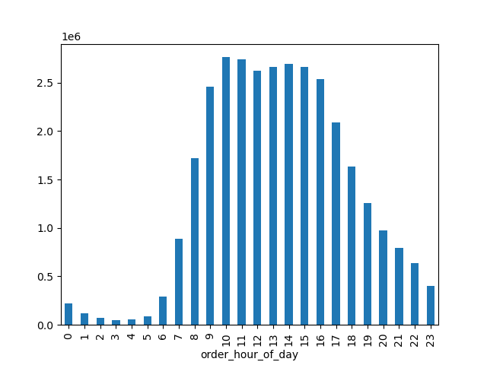

EXPLANATION: These charts reflect the busiest days of the week and hours of the day. Note that in the chart on the left (order_day_of_week), the numbers on the X axis represent the days of the week. Saturday represents 0, Sunday represents 1, so on, so forth.
As it is seen, the weekend days are where we find the highest frequency of orders. Meanwhile, in terms of daily sales behavior (refer to the graph on the right, order_hour_of_day), activity peaks at 10 am and maintains high values throughout noon, decreasing
at 4pm. The highest frequency of orders is between 10 am and 3 pm.

SALES QUERY 2: Most profitable time of the day



EXPLANATION: The chart above presents the behavior of orders throughout the time of the day according to prices of the products sold. This graph tells us that the highest sales values happen early in the morning and late in the evening, dipping around noon.
This tells us that although Instacart obtains the largest amount of orders at this time of the day, they are not the most profitable.

SALES QUERY 3: Create tier labels for products



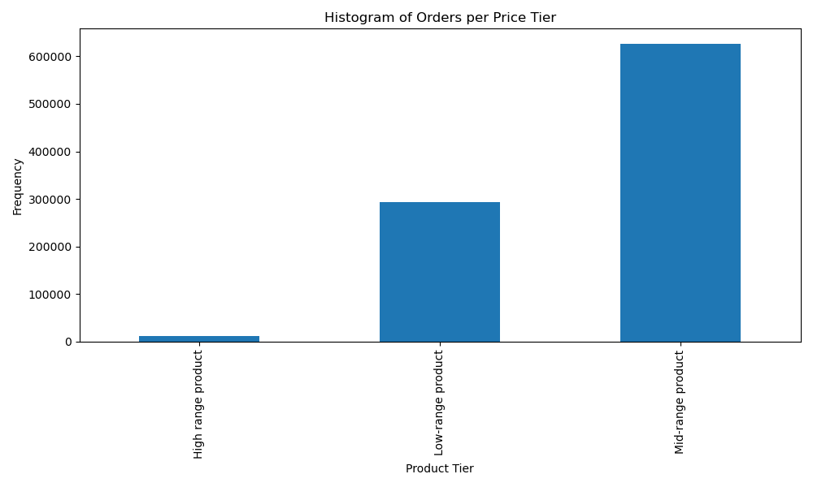

EXPLANATION: The graph on the left presents the frequency of orders' prices. It shows that most of the orders fall marginally above the price range midpoint (12.5). This graph illustrates the distribution of prices across orders. The second graph has categorized these prices
according to a three-tier system. This graph shows that most of the ordered products fall in the mid-range of prices. See Tab 5 for information about these ranges.

MARKETING QUERIES
● The marketing and sales teams are particularly interested in the different types of
customers in their system and how their ordering behaviors differ. For example:
○ What’s the distribution among users in regards to their brand loyalty (i.e., how
often do they return to Instacart)?
○ Are there differences in ordering habits based on a customer’s loyalty status?
○ Are there differences in ordering habits based on a customer’s region?
○ Is there a connection between age and family status in terms of ordering
habits?
○ What different classifications does the demographic information suggest?
Age? Income? Certain types of goods? Family status?
○ What differences can you find in ordering habits of different customer
profiles? Consider the price of orders, the frequency of orders, the products
customers are ordering, and anything else you can think of.

MARKETING QUERY 1: How often do customers return to Instacart?
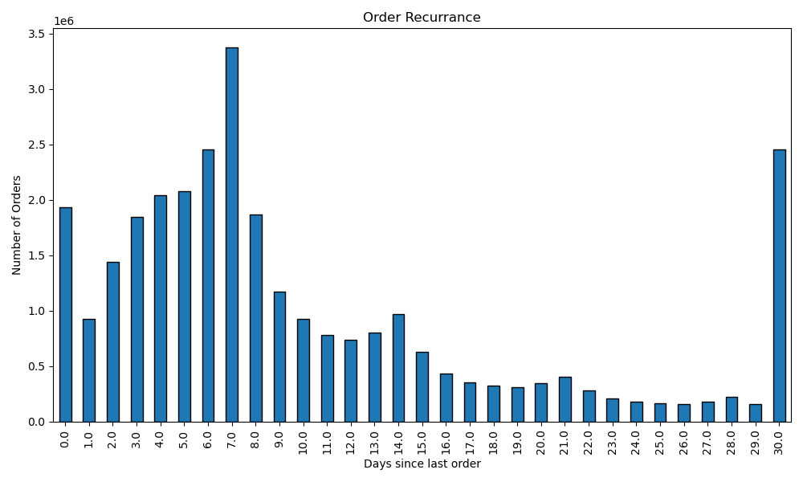

This graph shows that, in general, most customers shop every 6 to 7 days, or monthly. However, The sum of customers that shop every 3 to 8 days constitute the majority.
Note that "0" in this case means new customers.

MARKETING QUERY 2: Are there differences in ordering habits based on a customer's loyalty status?

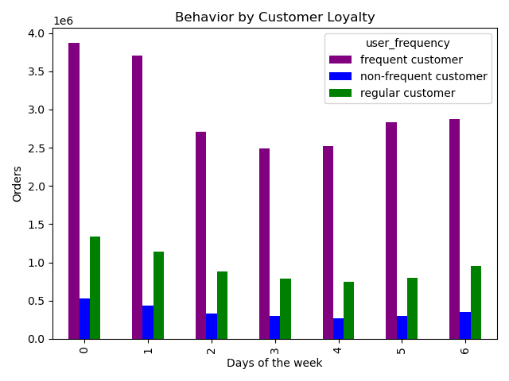
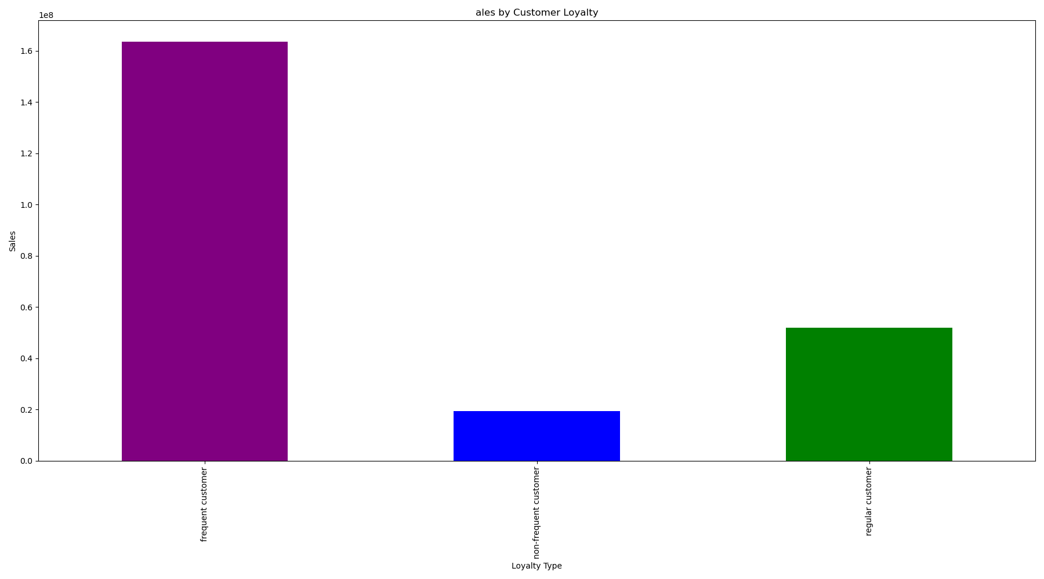

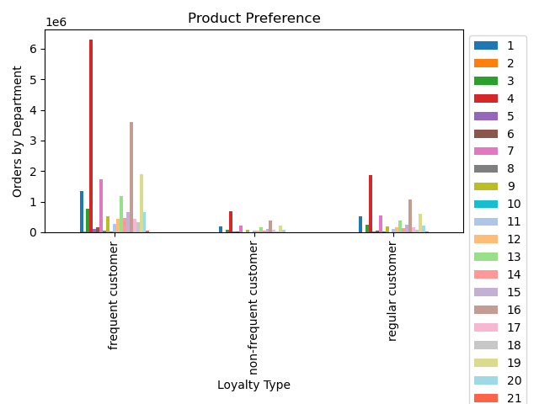

 | These charts show characteristics of ordering habits based on customers' loyalty status, which has been organized as non-frequent, regular, and
 | frequent customer based on order median. For information about the breakdown of these categories, see Tab 5.
 | The first chart shows the behavior by customer loyalty. Note that the range of 0-6 stand for the days of the week, with 0 being Saturday. This indicates
 | that most customers across all kinds of loyalty to the brand shop on the weekends.
 | The second chart shows the breakdown of sales according to loyalty type. This is not a count of all the sales, rather a sum of the price of the orders.
 | The chart shows that most sales are attributed to frequent customers.
 | The third chart shows product preference across loyalty types. Note that the most purchased product categories, 4, 16, and 9, are produce, dairy products,
 | and dry goods, respectively.

MARKETING QUERY 3: Are there differences in ordering habits based on a customer's region?

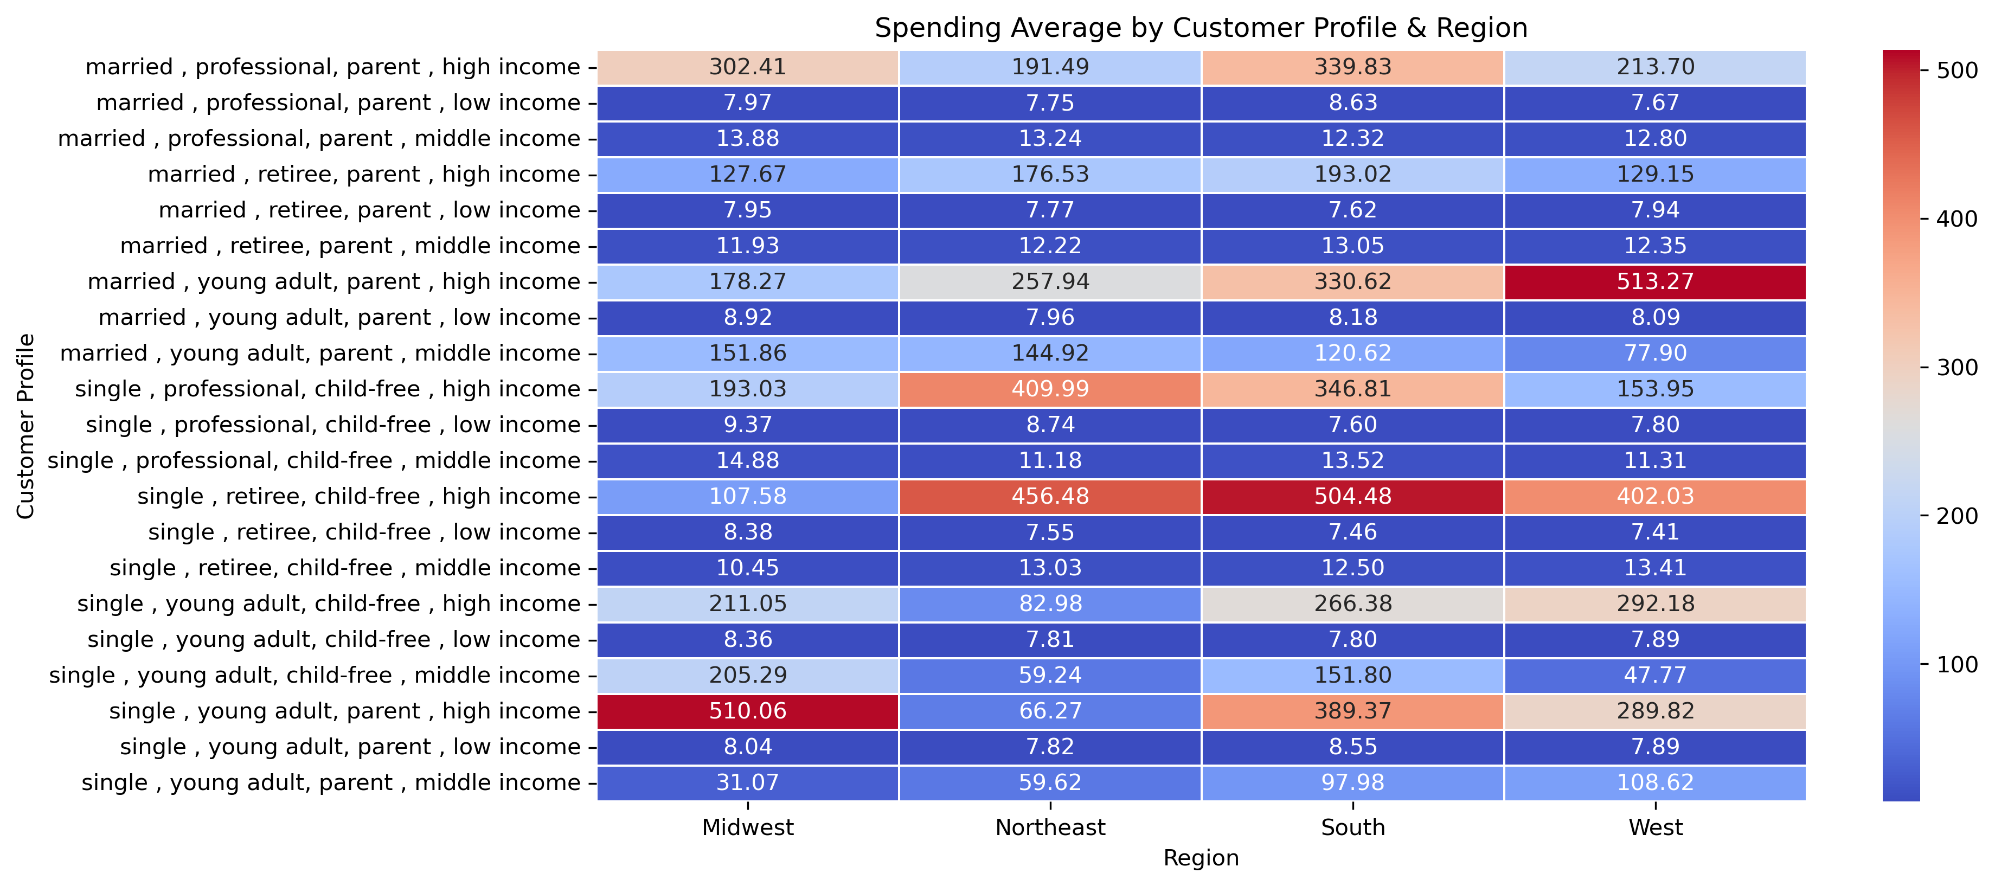

This heatmap breaks down customers by a profile that considers their family status, age, whether they have children, and their income. It shows that some of the highest values are found in the South and West of the U.S.
The kind of customer that presents the higest spending average across most regions are 1) Single reterees with no children and high income, Married young adults with children and high income, 2)Single young adult parents with
high income, 3) Single professionals with no children and high income, and 4) Married professionals with children and high income.

MARKETING QUERY 4: Is there a connection between age and family status in terms of ordering habits? Age x orders, age x price, age x time; family x orders, family x price, family x time

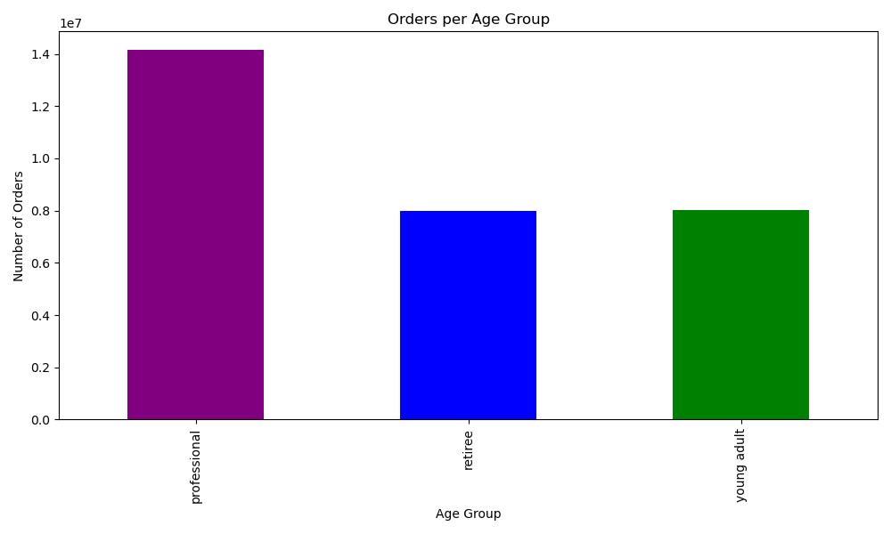
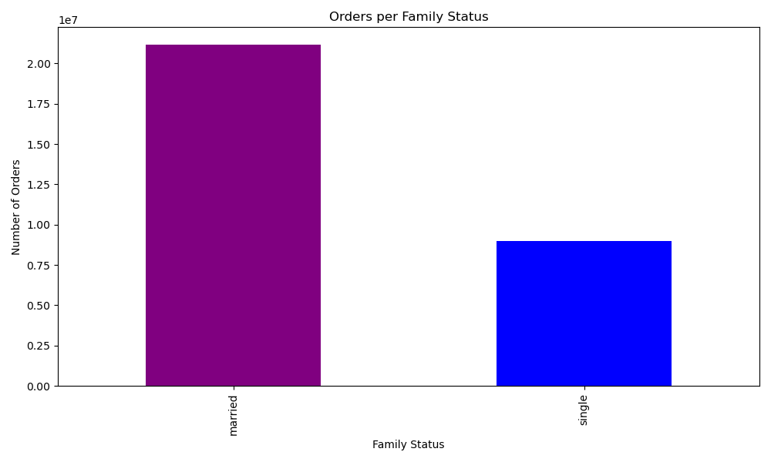

These two charts show that most orders are placed both by professional and married people. Note that people of "professional age" are those between 35 and 64 (More information on Tab 5) and that "single" people have aggregated single, divorced, and young adults living with their parents.

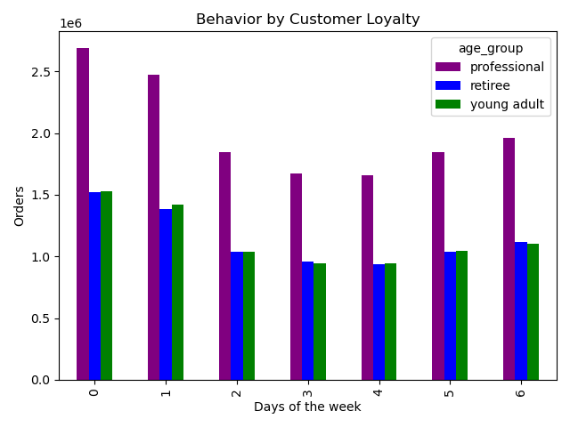
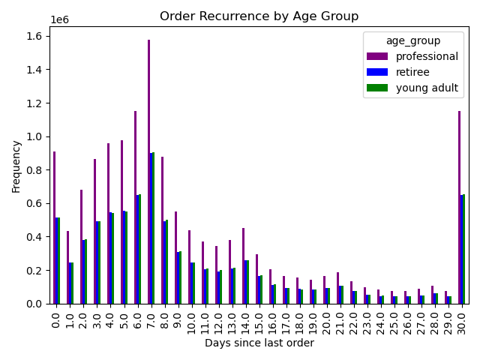

These following two charts show that across age groups, most shopping is done on the weekend, on a weekly basis, as it was shown in previous charts.

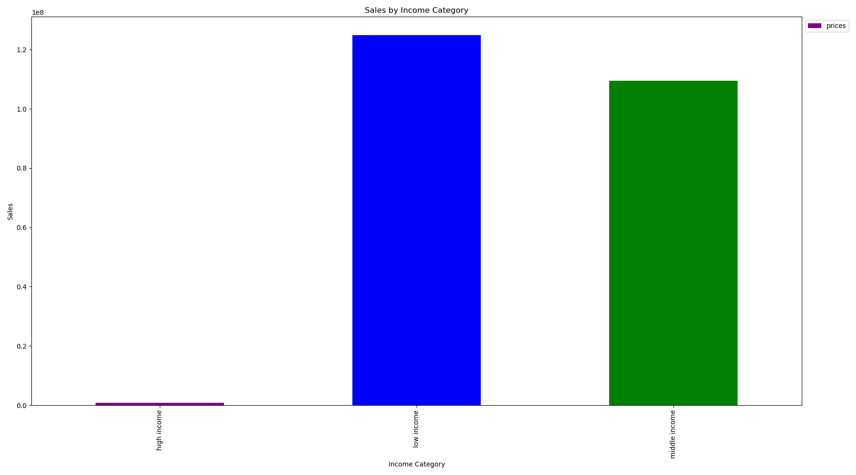

Finally, this chart shows a sum of prices per order across income categories. Note that the highest sum is attributed to low-income customers.

7. Recommendations
 |  | Title page | Title page

Recommendations

In this tab you should include any recommendations you would made to Instcart in terms of their marketing strategy based on the questions posed in the brief. Every key question has been covered in the Tasks of the Exercises - here you need to add an item - a visualisation or table/crosstable that is showing the answer in the data, acompanied by a comment from you. Please, list the questions below and add the answer underneath.

KEY QUESTION 1: Busiest days of the week and hours of the day

These charts reflect the busiest days of the week and hours of the day. Note that in the chart on the left (order_day_of_week), the numbers on the X axis represent the days of the week. Saturday represents 0, Sunday represents 1, so on, so forth.
As it is seen, the weekend days are where we find the highest frequency of orders. Meanwhile, in terms of daily sales behavior (refer to the graph on the right, order_hour_of_day), activity peaks at 10 am and maintains high values throughout noon, decreasing
at 4pm. The highest frequency of orders is between 10 am and 3 pm. As a recommendation, the sales department could put discounts on place later during the day, or during the week. Likewise, they could implement a loyalty reward program that works on a weekly basis.

KEY QUESTION 2: Most profitable time of the day

The chart above presents the behavior of orders throughout the time of the day according to prices of the products sold. This graph tells us that the highest sales values happen early in the morning and late in the evening, dipping around noon.
This tells us that although Instacart obtains the largest amount of orders at this time of the day, they are not the most profitable. The most profitable time is not in the middle of the day. This could mean that higher but less frequent spenders like young adults and retirees do their shopping around these times.
As a recommendation discounts based on the amount spent could be implemented, ensuring that sales reach a certain threshhold.

KEY QUESTION 3: Create tier labels for products

The graph on the left presents the frequency of orders' prices. It shows that most of the orders fall marginally above the price range midpoint (12.5). This graph illustrates the distribution of prices across orders. The second graph has categorized these prices
according to a three-tier system. This graph shows that most of the ordered products fall in the mid-range of prices. See Tab 5 for information about these ranges.
Since most products sold are mid-range products, a way to incentivize the purchase of high-range products could be giving a sample size gift in the purchase of X amount of mid-range products.

MARKETING QUERIES
● The marketing and sales teams are particularly interested in the different types of
customers in their system and how their ordering behaviors differ. For example:
○ What’s the distribution among users in regards to their brand loyalty (i.e., how
often do they return to Instacart)?
○ Are there differences in ordering habits based on a customer’s loyalty status?
○ Are there differences in ordering habits based on a customer’s region?
○ Is there a connection between age and family status in terms of ordering
habits?
○ What different classifications does the demographic information suggest?
Age? Income? Certain types of goods? Family status?
○ What differences can you find in ordering habits of different customer
profiles? Consider the price of orders, the frequency of orders, the products
customers are ordering, and anything else you can think of.

KEY QUESTION 4: How often do customers return to Instacart?

This graph shows that, in general, most customers shop every 6 to 7 days, or monthly. However, The sum of customers that shop every 3 to 8 days constitute the majority.
Note that "0" in this case means new customers. Since most customers do their shopping either weekly or monthly, the marketing team could focus on changing the behavior of those who shop monthly. They may be buying non-perishables or doing a month-haul. Marketing campaigns could be focused on affecting their behavior to buy bi-weekly.

KEY QUESTION 5: Are there differences in ordering habits based on a customer's loyalty status?

 | These charts show characteristics of ordering habits based on customers' loyalty status, which has been organized as non-frequent, regular, and
 | frequent customer based on order median. For information about the breakdown of these categories, see Tab 5.
 | The first chart shows the behavior by customer loyalty. Note that the range of 0-6 stand for the days of the week, with 0 being Saturday. This indicates
 | that most customers across all kinds of loyalty to the brand shop on the weekends.
 | The second chart shows the breakdown of sales according to loyalty type. This is not a count of all the sales, rather a sum of the price of the orders.
 | The chart shows that most sales are attributed to frequent customers.
 | The third chart shows product preference across loyalty types. Note that the most purchased product categories, 4, 16, and 9, are produce, dairy products,
 | and dry goods, respectively.
 | Based on these charts we can already infer the followiong observations about customer behaviour:
 | 1) Most customers shop on weekends on a weekly basis between 10 am and 4 pm.
 | 2) Most customers purchase mid-range products.
 | 3) Most customers across loyalty types shop for product types 4, 16, and 9: produce, dairy products, and dry goods.

 | Since most customers do their groceries at Instamart, the marketing campaigns should focus on expanding onto other departments, for example cleaning products,
 | hygiene products, or other household products.

KEY QUESTION 6: Are there differences in ordering habits based on a customer's region?

This heatmap breaks down customers by a profile that considers their family status, age, whether they have children, and their income. It shows that some of the highest values are found in the South and West of the U.S.
The kind of customer that presents the higest spending average across most regions are 1) Single reterees with no children and high income, Married young adults with children and high income, 2)Single young adult parents with
high income, 3) Single professionals with no children and high income, and 4) Married professionals with children and high income. However, note that high income and young adults do not constitute the bulk of the most active customer base, as it will be shown shortly.

KEY QUESTION 7: Is there a connection between age and family status in terms of ordering habits? Age x orders, age x price, age x time; family x orders, family x price, family x time

These two charts show that most orders are placed both by professional and married people. Note that people of "professional age" are those between 35 and 64 (More information on Tab 5) and that "single" people have aggregated single, divorced, and young adults living with their parents.

These following two charts show that across age groups, most shopping is done on the weekend, on a weekly basis, as it was shown in previous charts.

Finally, this chart shows a sum of prices per order across income categories. Note that the highest sum is attributed to low-income customers. In brief, although the spending average heatmap may suggest that
high spenders should be prioritized, in reality, low and middle income married professionals should be the priority of marketing campaigns.

KEY QUESTION 8: What different classifications does the demographic information suggest? Age? Income? Certain types of goods? Family status?
Recapitulating, this information shows the following points:

1) Most customers shop on weekends on a weekly basis between 10 am and 4 pm.
2) Most customers purchase mid-range products.
3) Most customers across loyalty types shop for product types 4, 16, and 9: produce, dairy products, and dry goods.
4) The south and west region are the highest spenders
5) Most orders are placed by married people and people of professional age (Between 35-64, see Tab 5 for more information)
6) Most sales are attributed to low and middle income customers.

